Instructions

 | Welcome to the Expedia Group!
 | Please fill out this form at your earliest convenience to help expedite the onboarding process and get your properties live on Expedia Group sites as soon as possible.
 | Once you have finished the form, please save and return the completed form to your Market Manager via DropBox
 | Please complete all tabs on the this onboarding intake form:
 | There are 4 work tabs in this Excel spreadsheet for you to fill out in order for your properties to be configured for Expedia Group's sites.

 | 1. Properties List: Information per property such as address, policies and amenities, Partner Central Users and Content information
 | 2. Unit mapping: Information specific to each Type of Unit and amenities. An Expedia property can have several UNIT TYPES
 | 3. Rate mapping: The rate plan information you provide here will be applied to all units across all properties in your portfolio unless noted otherwise.
 | 4. Booking Fees: If applicable - Mandatory charges part of the booking total

 |  | Expedia Partner Central access
 |  | Once we import all the information and setup your properties
 |  | you will be able to edit and manage them in Partner Central | Remember to Save your file

Properties List tab

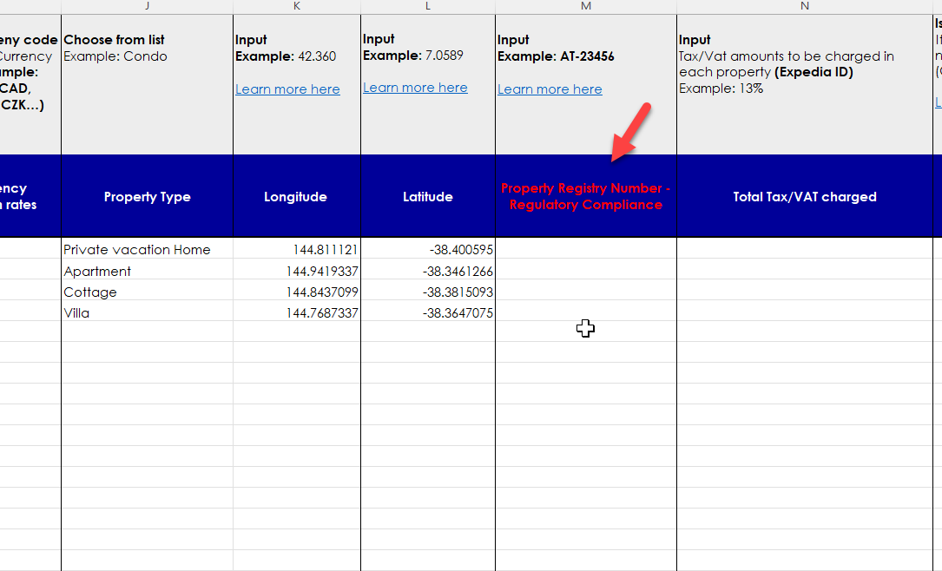
IMPORTANT | 2.Property Registry Number - Government Permit
Regulatory Compliance | A Property Registration Number, also known as a Housing Protection Number or Government Permit Number, is required for some Vacation Rental properties in various countries and regions.
 | Please note: You are responsible for your decision to list or book your property and you should check all applicable laws before listing with us or allowing any bookings at your property. By listing your property with us, you agree to comply with all applicable laws.

 | Directions: When applicable, input the Property Registry Number for the respective property in the Property List section of this form. If the property does not require a Property Registry Number, input "n/a".

